Get Started
 | AI Test Case Generator

1 | In the Security Warning under the toolbar, click "Enable Content" (see picture)
2 | In the popup, click "Yes" to make the document a trusted document (see picture)
3 | Go to https://portal.bakeqa.com and sign up for a free account
4 | Go to you profile and grab the primary API key
5 | Go to the Config Tab and replace "<INSERT API KEY HERE>" with your API key
6 | Test your key in a browser using the URL "https://api.bakeqa.com/testcases/usage?qapi-key=<KEY>" and replacing <KEY> with your key
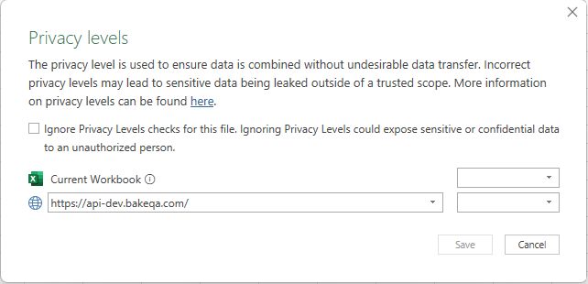
7 | Go to the Stories Tab and insert your stories with ID, Summary, and Description.
8 | Go to the Test Cases Tab in field A1, Right-Click, and select "Refresh"
9 | If a window pops up asking for authentication, don't change settings, just click "Connect"
10 | In the next popup tick the checkbox to ignore privacy and click "Save" (see before and after pictures)
11 | Your test cases will be generated and populate the table!

